Calculator
GMD5 Flowmeter Calculator

Water Right Number : |  | : Acre-Feet Authorized

Legal Description : |  | : Maximum Pumping Rate

Totalizer Units : |  | : Totalizer Multiplier

Is the meter functioning properly?

** Important:
 | * Complete each yellow field for the calculator to work properly. * Go to the appropriate calculator for the units your flowmeter totalizer reads.

*** VERY IMPORTANT TO KNOW YOUR CORRECT ALLOCATION, PLEASE CONTACT OUR OFFICE TO VERIFY.
If you need any assistance with this form, please feel free to contact our office at your convenience.

Gallons
Acre-Feet
Acre-Inches
Hours

Gallons
Return to
Beginning

** Important:
 | * Complete each yellow field to get the for the calculator to work properly. * Go to the appropriate calculator for the units your flowmeter totalizer reads. * When you enter your flowmeter readings, DO NOT enter the decimals or the zeros, the calculator will do that for you!

*** VERY IMPORTANT TO KNOW YOUR CORRECT ALLOCATION, PLEASE CONTACT OUR OFFICE TO VERIFY.
If you need any assistance with this form, please feel free to contact our office at your convenience.

Example
Only
Calculator for Flowmeters Reading in Gallons
 |  |  |  | 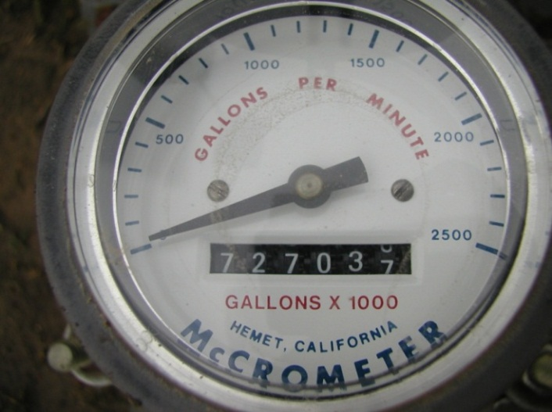
Beginning Meter Reading

Current Meter Reading

Allocation Pumped To-Date |  | AF | ** Negative number here indicates that you have already exceeded your authorized allocation.

Allocation Remaining |  | AF

Acre-Feet Pumped per Day |  | AF

Days of Pumping Left |  | days

Projected ending Meter Reading |  |  |  | Gallons X 1000 Totalizer

Acre-Feet
Return to
Beginning

** Important:
 | * Complete each yellow field to get the for the calculator to work properly. * Go to the appropriate calculator for the units your flowmeter totalizer reads. * When you enter your flowmeter readings, DO NOT enter the decimals or the zeros, the calculator will do that for you!

*** VERY IMPORTANT TO KNOW YOUR CORRECT ALLOCATION, PLEASE CONTACT OUR OFFICE TO VERIFY.
If you need any assistance with this form, please feel free to contact our office at your convenience.

Example
Only
Calculator for Flowmeters Reading in Acre-Feet
 |  |  |  | 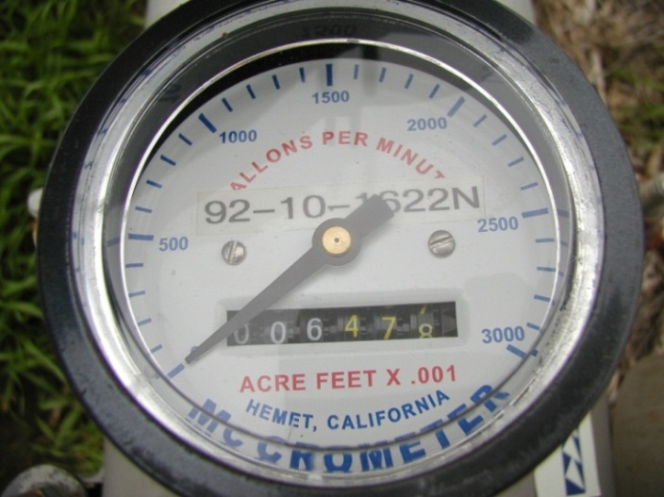
Beginning Meter Reading

Current Meter Reading

Allocation Pumped To-Date |  | AF | ** Negative number here indicates that you have already exceeded your authorized allocation.

Allocation Remaining |  | AF

Acre-Feet Pumped per Day |  | AF

Days of Pumping Left |  | days

Projected ending Meter Reading |  |  |  | Acre-Feet X .001 Totalizer

Acre-Inches
Return to
Beginning

** Important:
 | * Complete each yellow field to get the for the calculator to work properly. * Go to the appropriate calculator for the units your flowmeter totalizer reads. * When you enter your flowmeter readings, DO NOT enter the decimals or the zeros, the calculator will do that for you!

*** VERY IMPORTANT TO KNOW YOUR CORRECT ALLOCATION, PLEASE CONTACT OUR OFFICE TO VERIFY.
If you need any assistance with this form, please feel free to contact our office at your convenience.

Example
Only
Calculator for Flowmeters Reading in Acre-Inches
 |  |  |  | 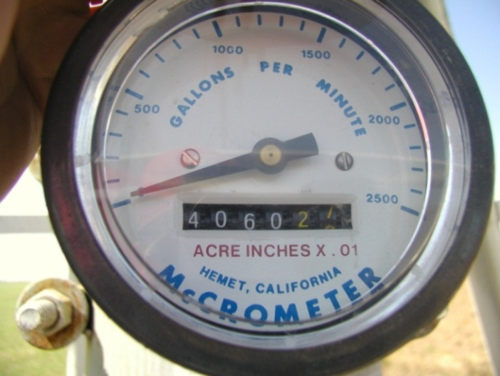
Beginning Meter Reading

Current Meter Reading

Allocation Pumped To-Date |  | AF | ** Negative number here indicates that you have already exceeded your authorized allocation.

Allocation Remaining |  | AF

Acre-Feet Pumped per Day |  | AF

Days of Pumping Left |  | days

Projected ending Meter Reading |  |  |  | Acre Inches X .01 Totalizer

Hours
Return to
Beginning

** Important:
 | * Complete each yellow field to get the for the calculator to work properly. * Go to the appropriate calculator for the units your flowmeter totalizer reads. * When you enter your flowmeter readings, DO NOT enter the decimals or the zeros, the calculator will do that for you!

*** VERY IMPORTANT TO KNOW YOUR CORRECT ALLOCATION, PLEASE CONTACT OUR OFFICE TO VERIFY.
If you need any assistance with this form, please feel free to contact our office at your convenience.

Example
Only
Calculator for Non-Functional Meters
 |  |  |  | 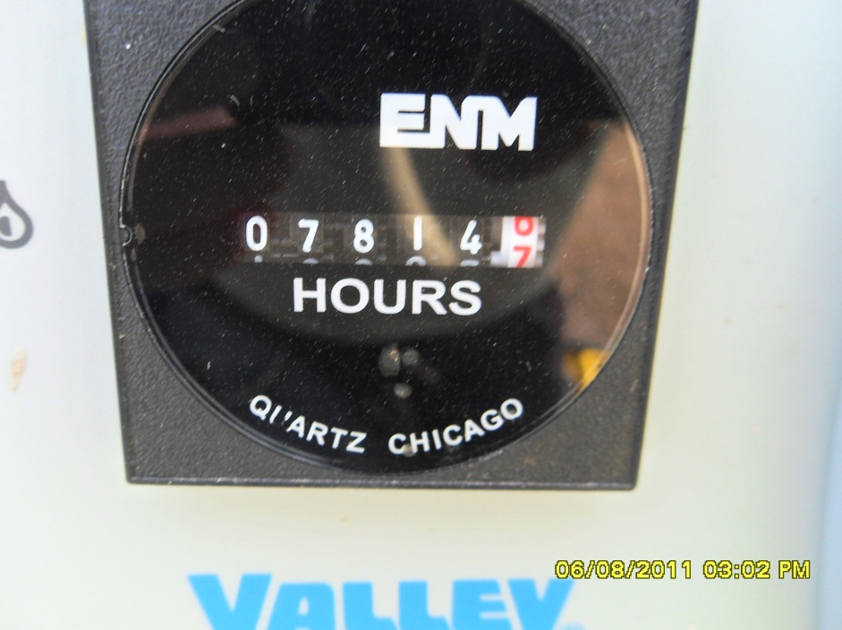
Beginning Hour Meter Reading

Current Hour Meter Reading

Allocation Pumped To-Date |  | AF | ** Negative number here indicates that you have already exceeded your authorized allocation.

Allocation Remaining |  | AF

Acre-Feet Pumped per Day |  | AF

Days of Pumping Left |  | days

Projected Ending Hour Meter Reading |  |  |  | Hour Meter

